Forside
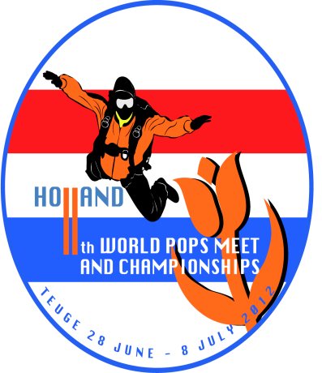

 |  | Results of the 11th World Pops Meet 2012

 |  | Nationaal Paracentrum Teuge
 |  | The Netherlands
 |  | june 28 - july 8 2012

11th World Pops Meet 2012
 | Competitors: | Non-Comp.:
Europe:


The Netherlands | 14 | 3
Italy | 2 | 0
Germany | 25 | 7
Denmark | 8 | 3
Switzerland | 23 | 6
UK | 12 | 4
Poland | 9 | 1
France | 14 | 1
Sweden | 1 | 0
Russia | 27 | 15
Tjechie | 1 | 1
Belarus | 4 | 0
Austria | 3 | 0
Belgium | 4 | 0
Israel | 1 | 1
Ukraine | 2 | 0
Belgium | 4 | 0

Sub Total: | 154 | 42

Not-Europe:

USA | 11 | 2
New Zealand | 7 | 1
Australia | 14 | 8
Canada | 3 | 3

Sub Total: | 35 | 14

Total: | 189 | 56
 |  |  | Ronald van Rijn
 |  |  | World Top Pop #8

